ExpoSmoothing
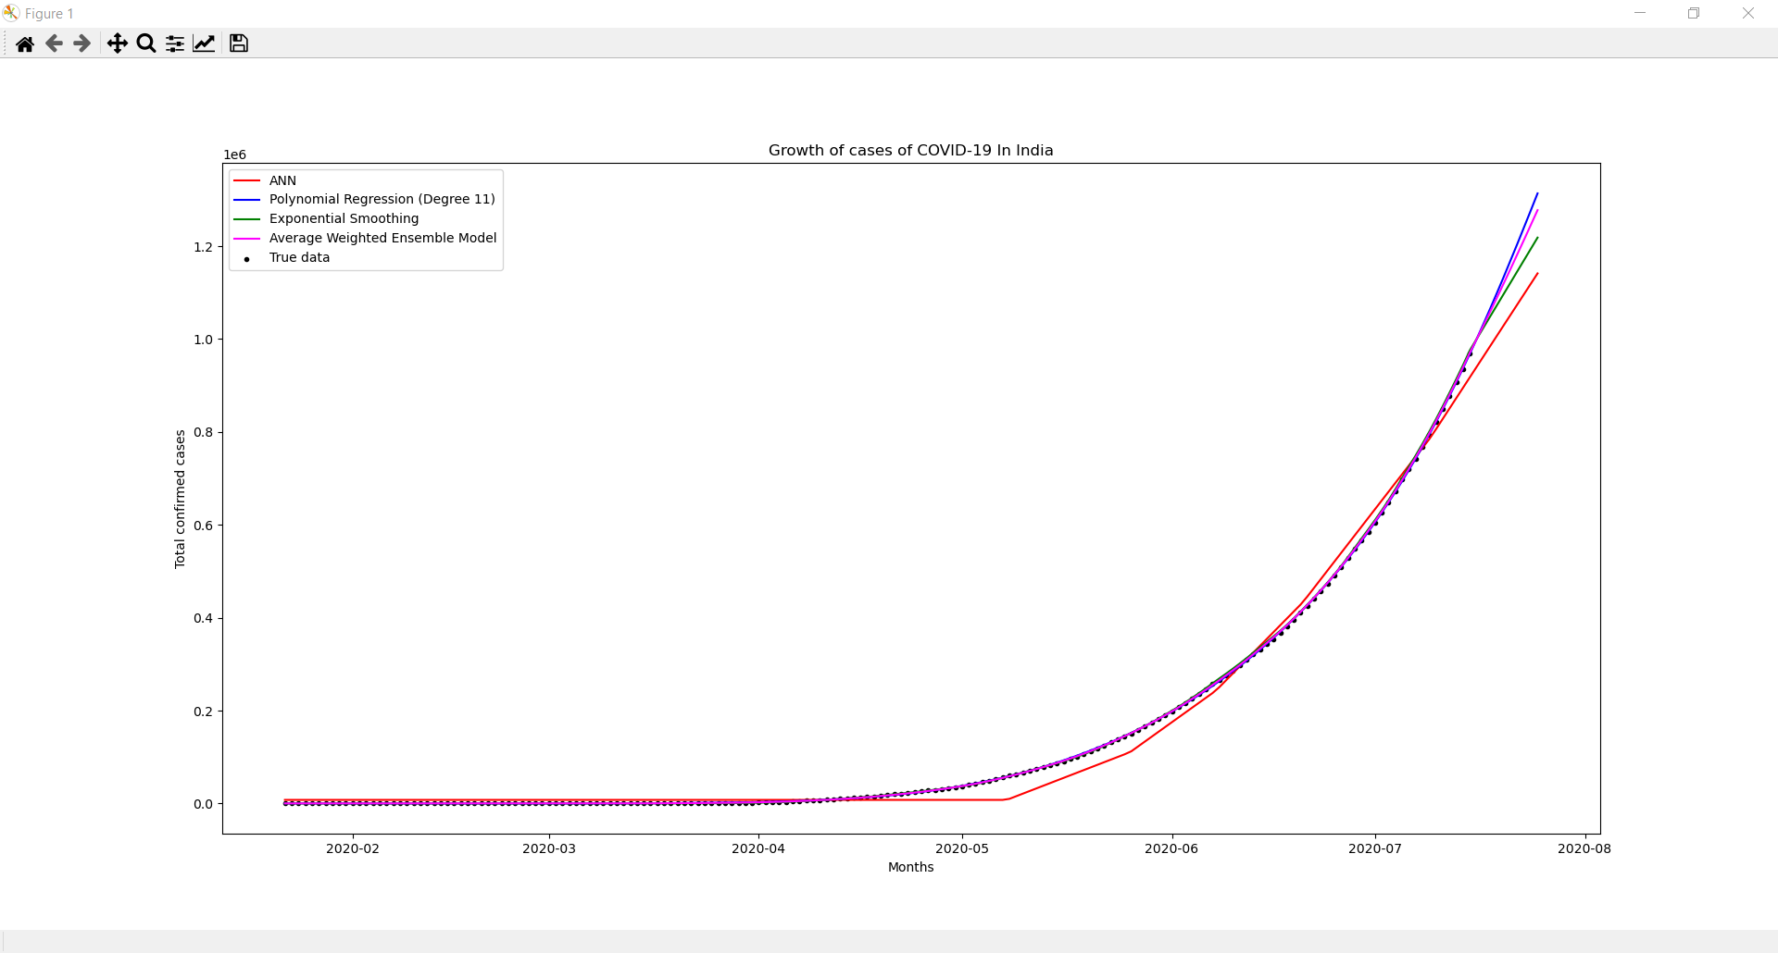
Date | Actual Value | Predicted Value
2020-01-22 | 0 | 222.904
2020-01-23 | 0 | 222.905
2020-01-24 | 0 | 222.905
2020-01-25 | 0 | 222.905
2020-01-26 | 0 | 222.904
2020-01-27 | 0 | 222.901
2020-01-28 | 0 | 222.894
2020-01-29 | 0 | 222.88
2020-01-30 | 1 | 222.976
2020-01-31 | 1 | 223.023
2020-02-01 | 1 | 223.019
2020-02-02 | 2 | 223.077
2020-02-03 | 3 | 223.159
2020-02-04 | 3 | 223.104
2020-02-05 | 3 | 222.908
2020-02-06 | 3 | 222.557
2020-02-07 | 3 | 222.035
2020-02-08 | 3 | 221.321
2020-02-09 | 3 | 220.39
2020-02-10 | 3 | 219.214
2020-02-11 | 3 | 217.762
2020-02-12 | 3 | 216.002
2020-02-13 | 3 | 213.901
2020-02-14 | 3 | 211.422
2020-02-15 | 3 | 208.531
2020-02-16 | 3 | 205.189
2020-02-17 | 3 | 201.362
2020-02-18 | 3 | 197.013 | ANN
2020-02-19 | 3 | 192.106 | MSE = 20739.379464037054
2020-02-20 | 3 | 186.607 | RMSE = 430121860.5533219
2020-02-21 | 3 | 180.481 | MAE = 16275.835740384973
2020-02-22 | 3 | 173.693 | MAPE = 59609.648690431524
2020-02-23 | 3 | 166.211
2020-02-24 | 3 | 157.999 | Ensemble Model
2020-02-25 | 3 | 149.023 | RMSE = 1176.342432040995
2020-02-26 | 3 | 139.248 | MSE = 1383781.5174201226
2020-02-27 | 3 | 128.636 | MAE = 784.9767215388183
2020-02-28 | 3 | 117.147 | MAPE = 1461.921153506239
2020-02-29 | 3 | 104.736
2020-03-01 | 3 | 91.3555
2020-03-02 | 5 | 77.1909
2020-03-03 | 5 | 61.8803
2020-03-04 | 28 | 64.109
2020-03-05 | 30 | 84.4646
2020-03-06 | 31 | 105.665
2020-03-07 | 34 | 128.162
2020-03-08 | 39 | 152.349
2020-03-09 | 43 | 178.215
2020-03-10 | 56 | 207.016
2020-03-11 | 62 | 237.838
2020-03-12 | 73 | 271.499
2020-03-13 | 82 | 307.86
2020-03-14 | 102 | 348.474
2020-03-15 | 113 | 392.2
2020-03-16 | 119 | 438.759
2020-03-17 | 142 | 490.722
2020-03-18 | 156 | 547.041
2020-03-19 | 194 | 611.049
2020-03-20 | 244 | 683.989
2020-03-21 | 330 | 769.865
2020-03-22 | 396 | 865.109
2020-03-23 | 499 | 974.051
2020-03-24 | 536 | 1087.73
2020-03-25 | 657 | 1217.67
2020-03-26 | 727 | 1356.6
2020-03-27 | 887 | 1516.25
2020-03-28 | 987 | 1687.71
2020-03-29 | 1024 | 1864.06
2020-03-30 | 1251 | 2071
2020-03-31 | 1397 | 2295.68
2020-04-01 | 1998 | 2593.42
2020-04-02 | 2543 | 2944.84
2020-04-03 | 2567 | 3278.88
2020-04-04 | 3082 | 3664.06
2020-04-05 | 3588 | 4092.84
2020-04-06 | 4778 | 4643.56
2020-04-07 | 5311 | 5213.9
2020-04-08 | 5916 | 5813.96
2020-04-09 | 6725 | 6468.04
2020-04-10 | 7598 | 7178.32
2020-04-11 | 8446 | 7936.08
2020-04-12 | 9205 | 8727.39
2020-04-13 | 10453 | 9612.14
2020-04-14 | 11487 | 10551.5
2020-04-15 | 12322 | 11518
2020-04-16 | 13430 | 12548.4
2020-04-17 | 14352 | 13615.9
2020-04-18 | 15722 | 14777.5
2020-04-19 | 17615 | 16086.3
2020-04-20 | 18539 | 17402.6
2020-04-21 | 20080 | 18811.9
2020-04-22 | 21370 | 20275.4
2020-04-23 | 23077 | 21844.9
2020-04-24 | 24530 | 23479.3
2020-04-25 | 26283 | 25214.9
2020-04-26 | 27890 | 27025.8
2020-04-27 | 29451 | 28905.3
2020-04-28 | 31324 | 30892
2020-04-29 | 33062 | 32962.1
2020-04-30 | 34863 | 35121.7
2020-05-01 | 37257 | 37440.6
2020-05-02 | 39699 | 39906.3
2020-05-03 | 42505 | 42547.7
2020-05-04 | 46437 | 45479.3
2020-05-05 | 49400 | 48534.7
2020-05-06 | 52987 | 51779.1
2020-05-07 | 56351 | 55160.6
2020-05-08 | 59695 | 58679.1
2020-05-09 | 62808 | 62305.8
2020-05-10 | 67161 | 66169.4
2020-05-11 | 70768 | 70145.6
2020-05-12 | 74292 | 74219.7
2020-05-13 | 78055 | 78420.7
2020-05-14 | 81997 | 82764
2020-05-15 | 85784 | 87221.8
2020-05-16 | 90648 | 91922.6
2020-05-17 | 95698 | 96857.2
2020-05-18 | 100328 | 101945
2020-05-19 | 106475 | 107359
2020-05-20 | 112028 | 112976
2020-05-21 | 118226 | 118852
2020-05-22 | 124794 | 124996
2020-05-23 | 131423 | 131377
2020-05-24 | 138536 | 138025
2020-05-25 | 144950 | 144817
2020-05-26 | 150793 | 151683
2020-05-27 | 158086 | 158831
2020-05-28 | 165386 | 166204
2020-05-29 | 173491 | 173878
2020-05-30 | 181827 | 181838
2020-05-31 | 190609 | 190103
2020-06-01 | 198370 | 198508
2020-06-02 | 207191 | 207180
2020-06-03 | 216824 | 216187
2020-06-04 | 226713 | 225515
2020-06-05 | 236184 | 235073
2020-06-06 | 246622 | 244959
2020-06-07 | 257486 | 255183
2020-06-08 | 265928 | 265426
2020-06-09 | 276146 | 275940
2020-06-10 | 286605 | 286722
2020-06-11 | 297535 | 297811
2020-06-12 | 308993 | 309245
2020-06-13 | 320922 | 321047
2020-06-14 | 332424 | 333127
2020-06-15 | 343091 | 345371
2020-06-16 | 354065 | 357830
2020-06-17 | 366946 | 370742
2020-06-18 | 380532 | 384145
2020-06-19 | 395048 | 398097
2020-06-20 | 410451 | 412638
2020-06-21 | 425282 | 427639
2020-06-22 | 440215 | 443066
2020-06-23 | 456183 | 459004
2020-06-24 | 473105 | 475518
2020-06-25 | 490401 | 492589
2020-06-26 | 508953 | 510313
2020-06-27 | 528859 | 528775
2020-06-28 | 548318 | 547825
2020-06-29 | 566840 | 567292
2020-06-30 | 585481 | 587173
2020-07-01 | 604641 | 607522
2020-07-02 | 625544 | 628530
2020-07-03 | 648315 | 650362
2020-07-04 | 673165 | 673169
2020-07-05 | 697413 | 696745
2020-07-06 | 719664 | 720762
2020-07-07 | 742417 | 745272
2020-07-08 | 767296 | 770518
2020-07-09 | 793802 | 796623
2020-07-10 | 820916 | 823577
2020-07-11 | 849522 | 851453
2020-07-12 | 878254 | 880140
2020-07-13 | 906752 | 909513
2020-07-14 | 936181 | 939613
2020-07-15 | 968857 | 970751
2020-07-16 |  | 999660
2020-07-17 |  | 1029040
2020-07-18 |  | 1058860
2020-07-19 |  | 1089110
2020-07-20 |  | 1119770
2020-07-21 |  | 1150790
2020-07-22 |  | 1182140
2020-07-23 |  | 1213770
2020-07-24 |  | 1245630
2020-07-25 |  | 1277660

